Map
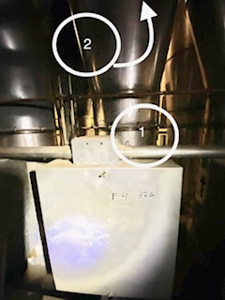
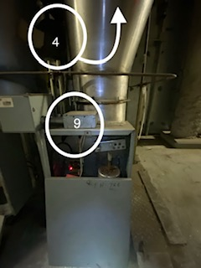
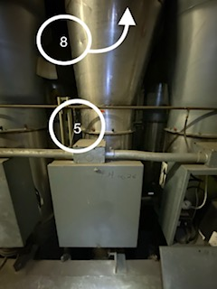
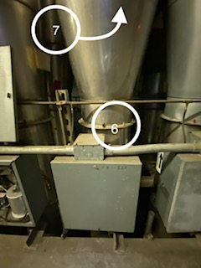

Survey No | INIS-010620-907 Rev.1
Date | 2020-01-06
Survey Tech | R. Florence
Count Room Tech | N/A
Date Counted | N/A
Survey Type | Characterization
Level of Posting | None
Comments

Map (2)
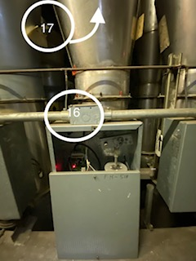
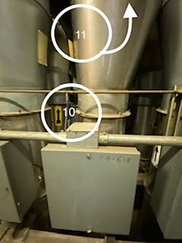
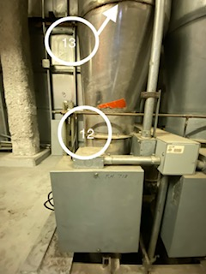
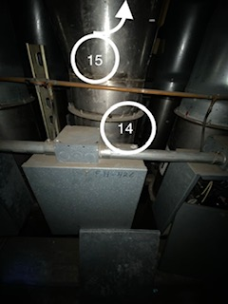

Survey No | INIS-010620-907 Rev.1
Date | 2020-01-06
Survey Tech | R. Florence
Count Room Tech | N/A
Date Counted | N/A
Survey Type | Characterization
Level of Posting | None
Comments

